Q6
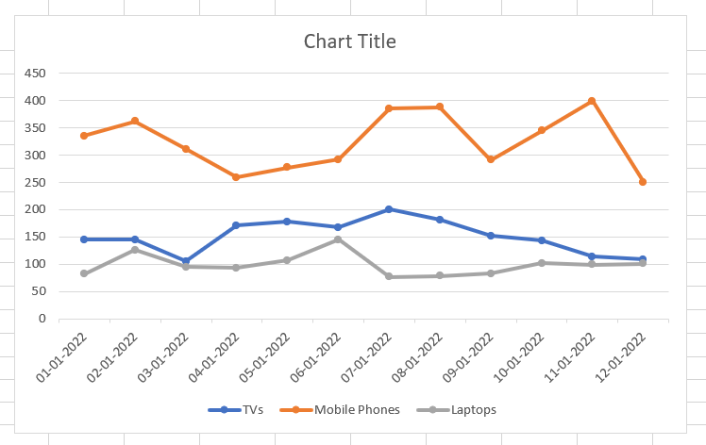
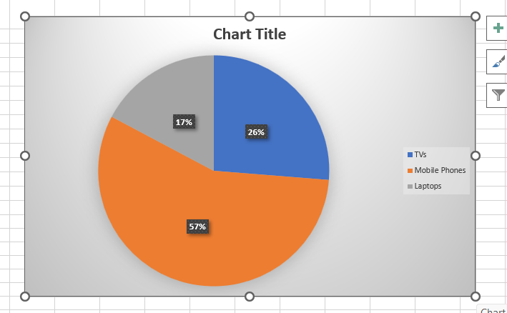
Month | TVs | Mobile Phones | Laptops | Total
2022-01-01 | 145 | 335 | 82 | 562
2022-01-02 | 145 | 362 | 126 | 633
2022-01-03 | 105 | 311 | 95 | 511
2022-01-04 | 171 | 259 | 93 | 523
2022-01-05 | 178 | 277 | 107 | 562
2022-01-06 | 167 | 292 | 145 | 604
2022-01-07 | 200 | 385 | 77 | 662
2022-01-08 | 181 | 388 | 78 | 647
2022-01-09 | 152 | 291 | 83 | 526
2022-01-10 | 143 | 345 | 102 | 590
2022-01-11 | 114 | 399 | 99 | 612
2022-01-12 | 109 | 250 | 101 | 460
Total | 1810 | 3894 | 1188

Question : recreate the above charts in next sheet |  |  |  | . Give appropriate chart title also, based on the data in the chart

Q6 Answer
DEVICE SALES
 | TVs | Mobile Phones | Laptops | Total
01-01-2022 | 145 | 335 | 82 | 562
02-01-2022 | 145 | 362 | 126 | 633
03-01-2022 | 105 | 311 | 95 | 511
04-01-2022 | 171 | 259 | 93 | 523
05-01-2022 | 178 | 277 | 107 | 562
06-01-2022 | 167 | 292 | 145 | 604
07-01-2022 | 200 | 385 | 77 | 662
08-01-2022 | 181 | 388 | 78 | 647
09-01-2022 | 152 | 291 | 83 | 526
10-01-2022 | 143 | 345 | 102 | 590
11-01-2022 | 114 | 399 | 99 | 612
12-01-2022 | 109 | 250 | 101 | 460
Total | 1810 | 3894 | 1188
DEVICE SALES
 | TVs | Mobile Phones | Laptops | Total
01-01-2022 | 145 | 335 | 82 | 562
02-01-2022 | 145 | 362 | 126 | 633
03-01-2022 | 105 | 311 | 95 | 511
04-01-2022 | 171 | 259 | 93 | 523
05-01-2022 | 178 | 277 | 107 | 562
06-01-2022 | 167 | 292 | 145 | 604
07-01-2022 | 200 | 385 | 77 | 662
08-01-2022 | 181 | 388 | 78 | 647
09-01-2022 | 152 | 291 | 83 | 526
10-01-2022 | 143 | 345 | 102 | 590
11-01-2022 | 114 | 399 | 99 | 612
12-01-2022 | 109 | 250 | 101 | 460
Total | 1810 | 3894 | 1188
Month | TVs | Mobile Phones | Laptops | Total
2022-01-01 | 145 | 335 | 82 | 562
2022-01-02 | 145 | 362 | 126 | 633
2022-01-03 | 105 | 311 | 95 | 511
2022-01-04 | 171 | 259 | 93 | 523
2022-01-05 | 178 | 277 | 107 | 562
2022-01-06 | 167 | 292 | 145 | 604
2022-01-07 | 200 | 385 | 77 | 662
2022-01-08 | 181 | 388 | 78 | 647
2022-01-09 | 152 | 291 | 83 | 526
2022-01-10 | 143 | 345 | 102 | 590
2022-01-11 | 114 | 399 | 99 | 612
2022-01-12 | 109 | 250 | 101 | 460
Total | 1810 | 3894 | 1188

